Introduction
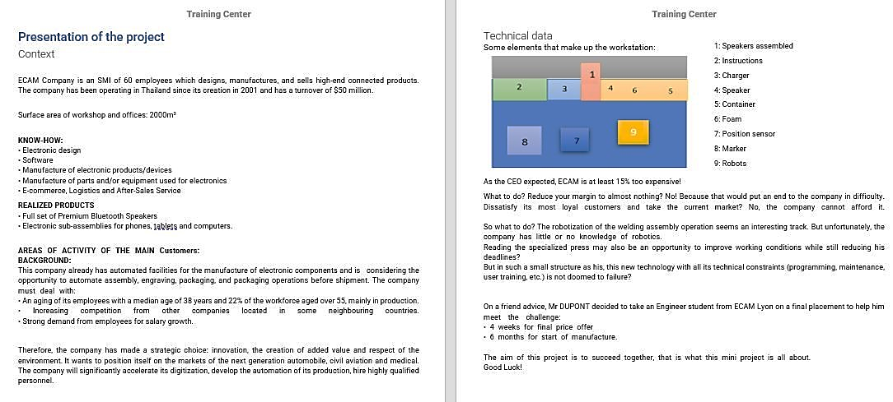

STEP 1
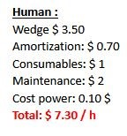
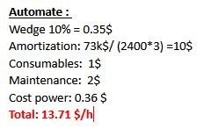
STEP 1: Robot pre-diagnosis
Clarification of customer need
What? | Diagnostic request for robotic enclosure packaging step
Who? | The company’s production manager
Where? | Packing step
When? | Robot set-up in 1 year
How? | By the team

Rapid evaluation of the project's profitability: 2021
Elements of analysis | Current situation | Robotic situation | Comments
Time range (dmh) | 181 | 500 | 1dmh = 0,36s
Number of pieces/year | 40000
Scrap rate | 3% | 0.5%
Cost price | $50.00 |  | Benefit = sale price (100$) - manufacture price (50$)
Valuation | 40000*0,03*50=60000$ | 40000*0,005*50=10000$ | Detailed Calculation
 | $60,000 | $10,000
Load calculation (h) | 0,0181*40000=724h | 0,05*40000=2000h | Detailed Calculation
 | 724 | 2000
Estimated gains per year ($) | 724*7,3 + 0,03*40000*50 =65285$ | 2000*15,17 + 0,005*40000*50= 40340$ | Detailed Calculation
 | $65,285.20 | $40,340.00 | Human Hourly rate Thailand | Robot Hourly rate Thailand | Human (works with 5 over robots) + Robot
estimated gain per year | $24,945 |  | $7.30 | $13.71 | $15.17
Estimated expenses | $90,000

Cost price in account: $30k study development installation + $38k for the robot price + $20k + $2k = $90 k

STEP 1.3
Calculation of ROI | 3.61 | Years
Rapid evaluation of the human factor
Elements of analysis | Measure |  |  | Comments
Radar Diagrams - Current Ergonomic Situation |  |  |  |  | Noise | 6
 |  |  |  |  | Lighting | 8
 |  |  |  |  | Joint position | 6
 |  |  |  |  | Posture | 7
 |  |  |  |  | Effort | 6
 |  |  |  |  | Working area | 8
 |  |  |  |  | Vision area | 6
 |  |  |  |  | Height of work surface | 7
 |  |  |  |  | Position Supply | 6
 |  |  |  |  | Repeatibility | 8

Noise
Lighting
Joint position
Posture
Effort
Working area
Vision area
Height of work surface
Position Supply
Repeatibility
Radar Diagrams - Robotic Ergonomic Situation |  |  |  |  | Noise
 |  |  |  |  | Lighting
 |  |  |  |  | Joint position
 |  |  |  |  | Posture
 |  |  |  |  | Effort
 |  |  |  |  | Working area
 |  |  |  |  | Vision area
 |  |  |  |  | Height of work surface
 |  |  |  |  | Position Supply
 |  |  |  |  | Repeatibility
organisational time / logistics :
 | Rate | interoperative time |  | Comments
Upstream Station | engraving | 1 minute
Downstream Station | Storage | 1 minute
Is our station a bottleneck? |  | YES | NO
Debrief:
Is it interresting to automate this station after this first diagnosis? |  |  |  | YES |  | NO

STEP 2
STAGE 2: DIAGNOSIS – STUDY – PHASE 1 PROJECT
Study n° | 1 | Workshop | Packing workshop
Date | 2020-11-22
Name | Packaging | Range | Packagaging
 |  | Operator
PRODUCTION |  | Initial state |  | Final state
Annual | Set | Speaker assembly + round box with foam reinforcement + cardboard sending |  | Speaker in the box round surrounded by polyurethane foam then put in the sending cardboard.
40,000 | On order
FLOW |  | rate (pieces/hour) |  | Inter-operative time (h)
Upstream Station |  | 60 |  | 0,00278 (=10s)
Dowstream Station |  | 0 because last station
Bottleneck? |  | YES/NO?
PHYSICAL FACTORS | NOISE (Dba) | VIBRATION | LIGHTNING (LUX) | TEMPERATURE | SECURITY
 |  | 0 | 350 | 22 °C | Gloves + Security shoes
 | VISION AREA | REPETABILITY | HEIGHT OF WORK SURFACE | DISTANCE TRAVELLED PER CYCLE (m)
 | 120° | Very | 107 cm | 10m / enclosure
PRE-STUDY WORKSTATION SKETCH
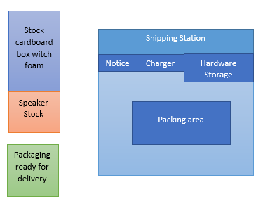

Shipping
Engraving
Final assembly
2,5 m

STEP 2.3
STAGE 2: DIAGNOSIS – STUDY – PHASE 6 PROJECT
SKETCH OF THE STATION AFTER ROBOTIZATION |  |  | SKETCH OF THE ROBOTIC CELL

1:Speakers assembled
2:instruction scrap
3:charger
4:Speaker
5:Container
6: Foam
7: position sensor
8: Marker
9:Robots
ESTIMATED BALANCE
 | GAINS |  |  |  | EXPENSES
Reason |  | Amount in $ | Reason |  |  | Amonut in $
Hourly rate |  |  | Robot |  |  | $60,000.00
Time gain per component (mct) |  |  | Mobile container |  |  | $1,500.00
scrap gain per year |  |  | Tooling |  |  | $7,000.00
Hourly rate gain in 1 year |  |  | Integration |  |  | $30,000.00

TOTAL ANNUAL EARNINGS ($) |  | $0.00 | TOTAL ANNUAL EXPENDITURE ($) |  |  | $98,500.00
AMORTISATION
ROI |  |  |  | #DIV/0!

STEP 3
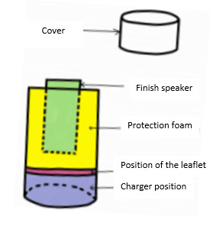
STEP 3: Specifications – Robotization of a workstation
A - Project description:
General information
Project reference | 1 |  | Company
workshop | Speaker |  | Team |  | 1
Station | Packaging |  | Year |  | 2020
Station's information
Sketch |  | Classification
stock cartboard box with foam
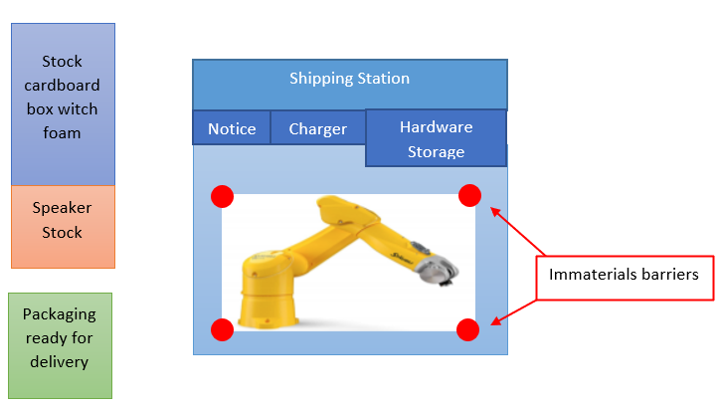 |  | 1 |  | Empty Box
 |  | 2 |  | Charger
 |  | 3 |  | Instruction
 |  | 4 |  | Workstation
 |  | 5 |  | Cover
 |  | 6 |  | Advertising

Components 2,3 and 6 are storage below the enclosure as shown
Product's information
Reference number
Sketch
on the right

